Question
Ibadullah Shaikh 19K-0259 (BCS-5A)

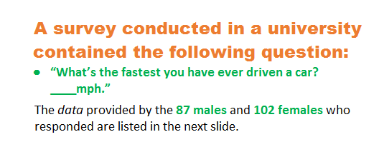
Males
110 | 110 | 109 | 90 | 140 | 105 | 150 | 110
105 | 85 | 95 | 100 | 115 | 124 | 95 | 102
85 | 120 | 110 | 120 | 115 | 94 | 125 | 90
110 | 95 | 95 | 110 | 105 | 80 | 100 | 100
120 | 100 | 100 | 80 | 100 | 120 | 105 | 80
112 | 120 | 110 | 115 | 125 | 55 | 90 | 140
120 | 110 | 110 | 90 | 115 | 95 | 145 | 125
100 | 125 | 140 | 85 | 120 | 115 | 105 | 110
80 | 85 | 140 | 120 | 92 | 130 | 125 | 105
110 | 130 | 105 | 105 | 120 | 90 | 100 | 101
60 | 125 | 120 | 100 | 115 | 95 | 110

Females
80 | 75 | 83 | 80 | 100 | 100 | 90 | 75
120 | 75 | 85 | 80 | 70 | 85 | 110 | 85
90 | 110 | 80 | 80 | 110 | 110 | 95 | 75
100 | 90 | 110 | 85 | 90 | 80 | 80 | 85
80 | 80 | 50 | 88 | 90 | 90 | 85 | 70
95 | 110 | 80 | 95 | 90 | 80 | 90 | 75
80 | 90 | 95 | 102 | 90 | 30 | 85 | 85
95 | 85 | 90 | 85 | 90 | 90 | 120 | 85
75 | 105 | 95 | 75 | 70 | 90 | 70 | 82
130 | 95 | 110 | 110 | 80 | 90 | 105 | 90
50 | 80 | 100 | 80 | 80 | 80 | 95 | 100
87 | 85 | 90 | 85 | 75 | 90 | 100 | 100
85 | 110 | 90 | 75 | 100

